Sheet1
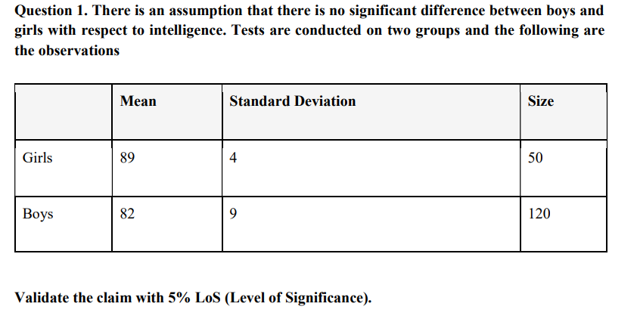
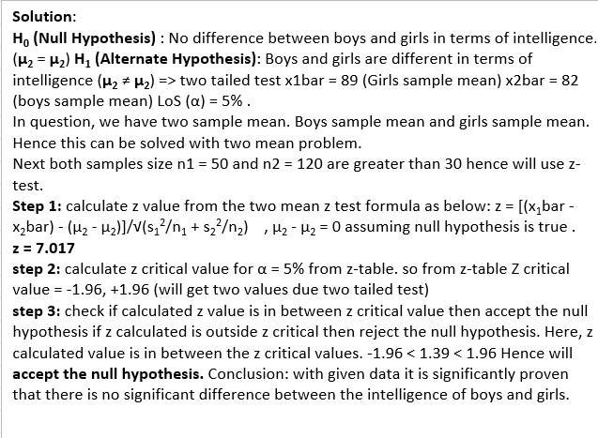
ANS.

 | Mean | Standard deviation | Szie | std sqr/size | Z-test
Girls | 89 | 4 | 50 | 0.32
Boys | 82 | 9 | 120 | 0.675
X-BAR | 7 |  | ROOT | 0.995 | 7.0351758794

AT 5% los, Ze = 1.645 < Z
Reject HO

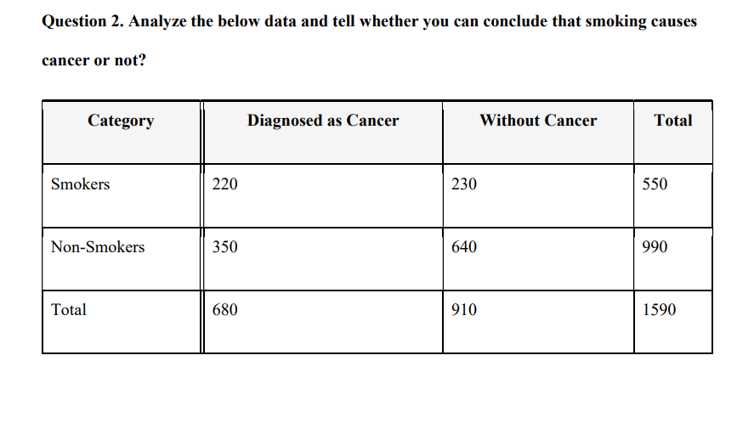

 | ANS…

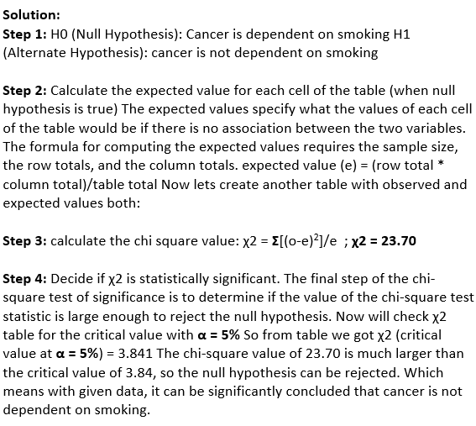
 | CATEGORY | DIAGNOSED AS CANCER | WITHOUT CANCER | TOTAL
 | SMOKERS | 220 | 230 | 450
 | NON-SMOKERS | 350 | 640 | 990
 | TOTAL | 570 | 870 | 1440

 | CATEGORY | DIAGNOSED AS CANCER | WITHOUT CANCER | REMARK(E_VALUES)
 | SMOKERS | O = 220, E = 570*450/1440= 178.125 | O = 230, E = 870*450/1440= 271.875 | 178.125
 | NON-SMOKERS | O = 350, E = 570*990/1440= 391.875 | O = 640, E = 990*870/1440= 598.125 | 391.875
 |  |  |  | 271.875
 |  |  |  | 598.125

 | CATEGORY | DIAGNOSED AS CANCER | WITHOUT CANCER
 | SMOKERS | 178.125 | 271.875 | 450
 | NON-SMOKERS | 391.875 | 598.125 | 990
 |  | 570 | 870 | 1440

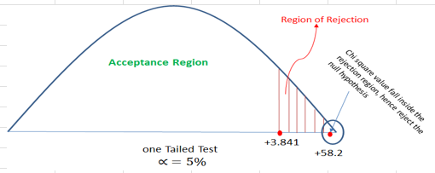
 | O | E | (O-E) | A=(O-E)^2 | X^2=(A/E)
 | 220 | 178.125 | 41.875 | 1753.515625 | 9.8442982456
 | 230 | 271.875 | -41.875 | 1753.515625 | 6.4497126437
 | 350 | 391.875 | -41.875 | 1753.515625 | 4.4746810207
 | 640 | 598.125 | 41.875 | 1753.515625 | 2.9316875653
TOTAL |  |  |  |  | 23.700379475

